Section Identification
Sr No. | Section

1 | Manual Feed Zone | 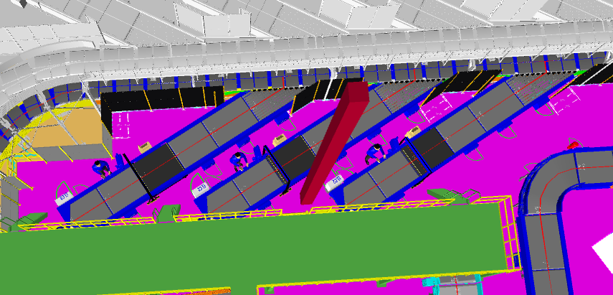 | 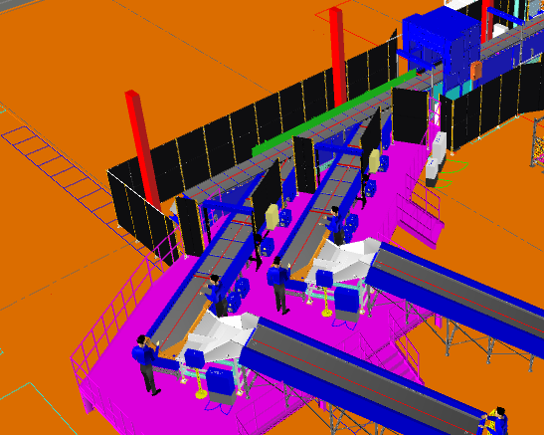
2 | Auto Feedline | 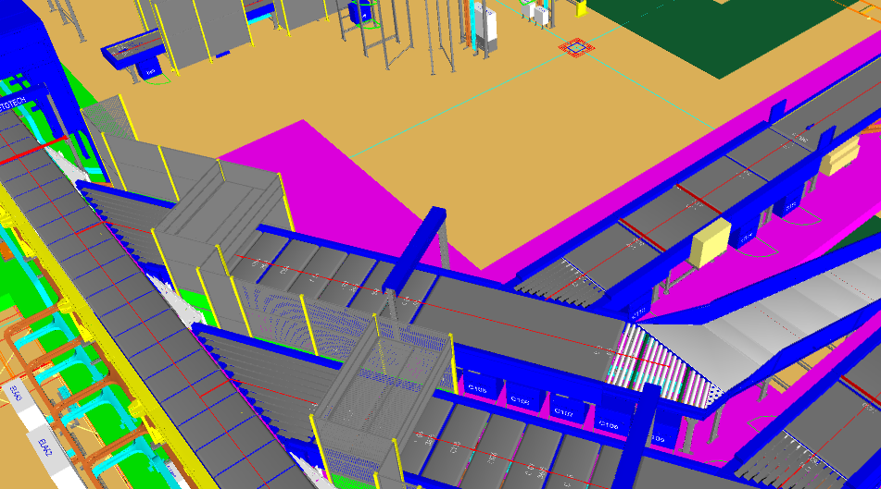 | 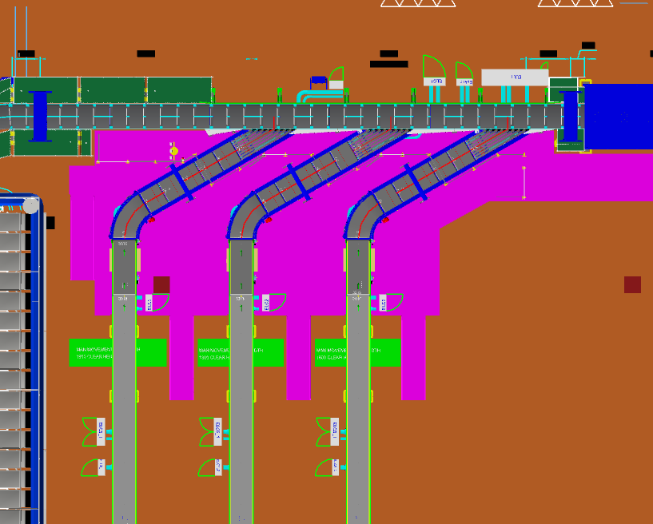 | 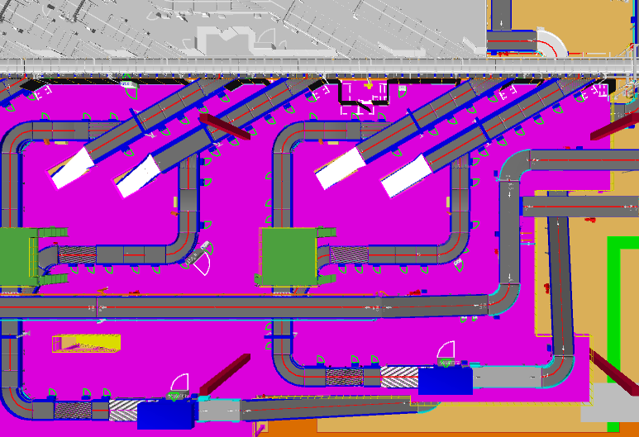 | 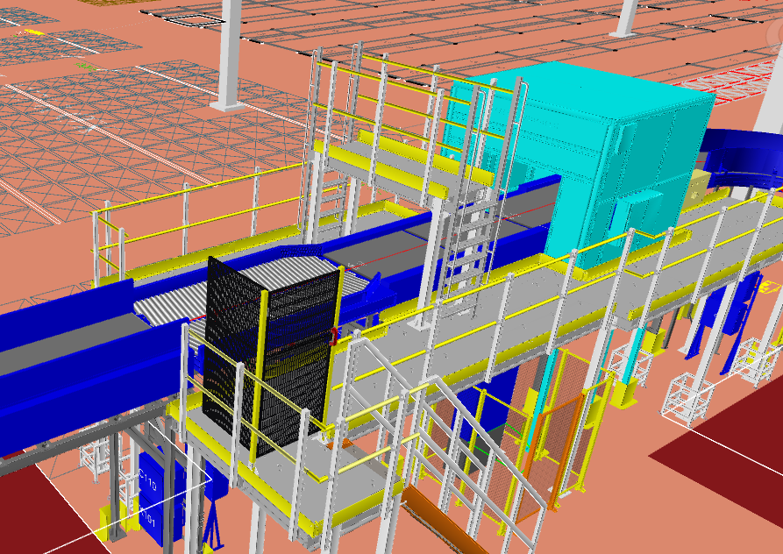
3 | CBS loop/Arm Sorter/SWEDI Sorter/POP-up Sorter | 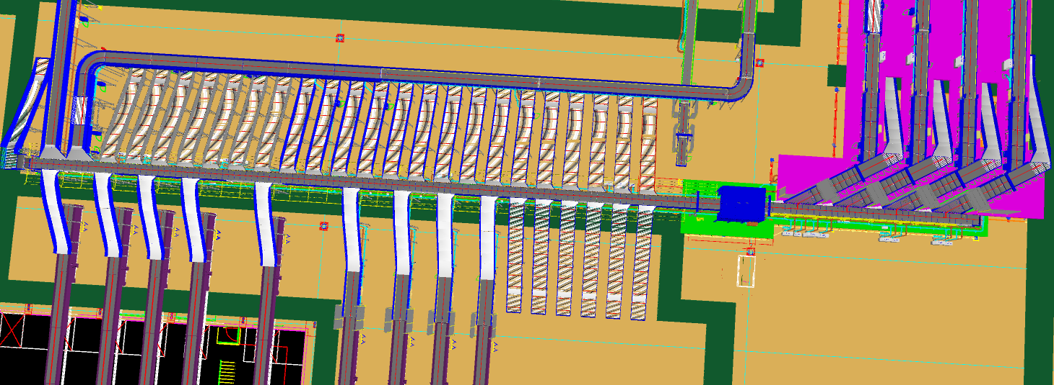 | 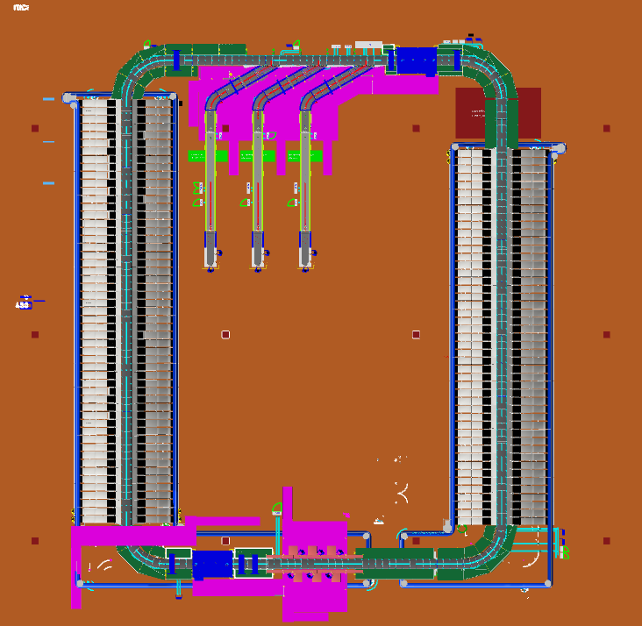 | 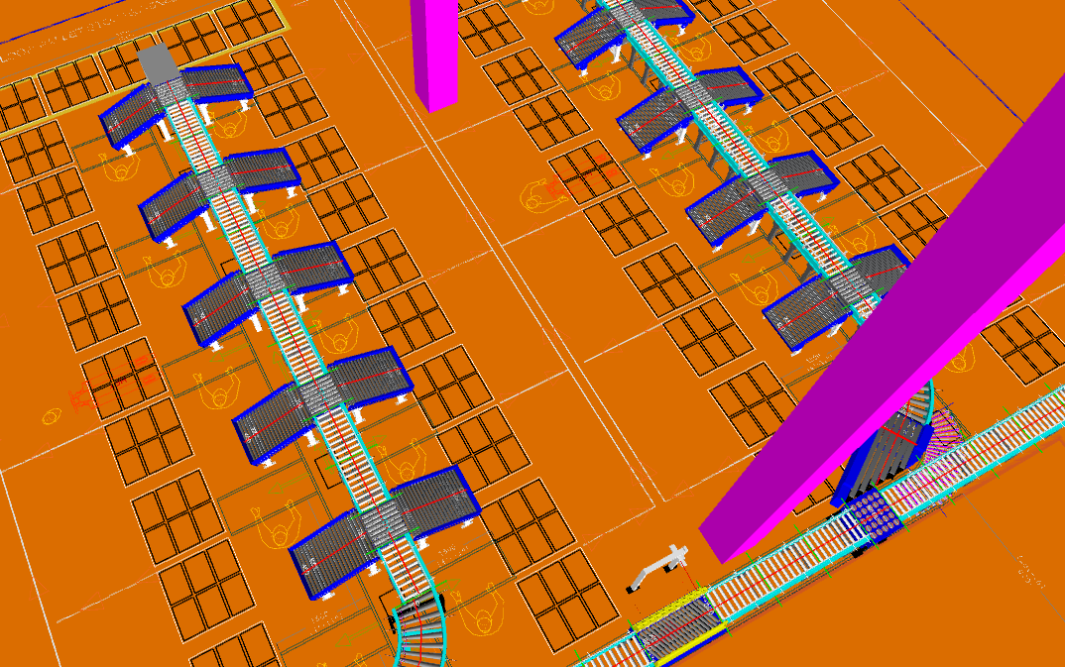 | 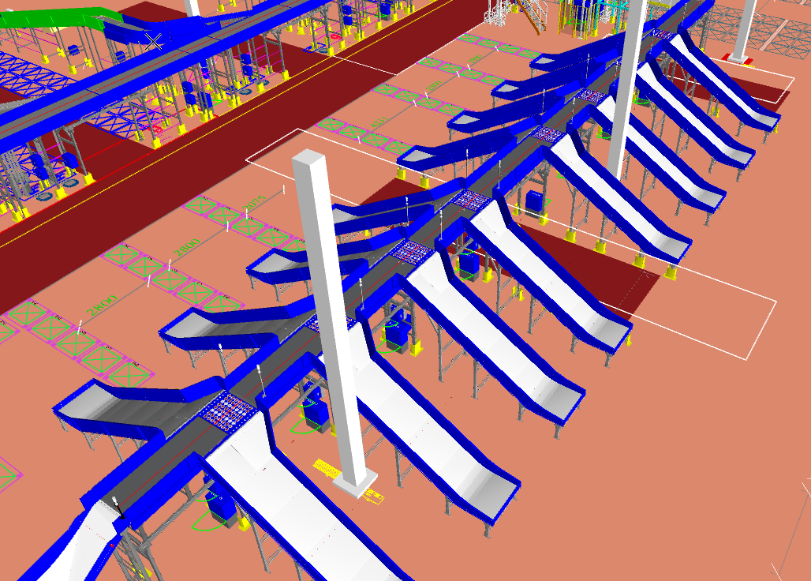
4 | Inbound Zone | 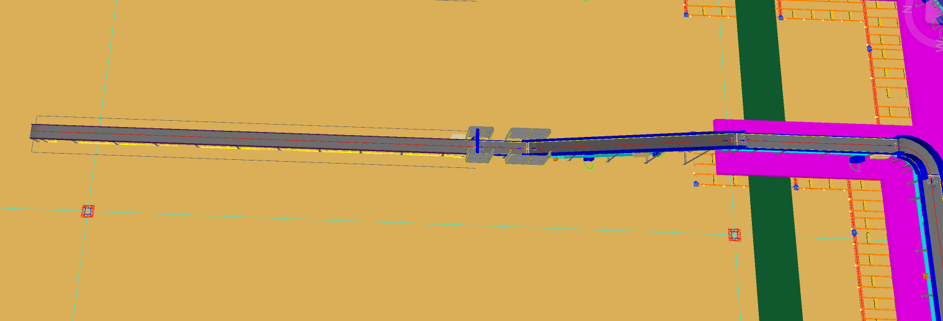 | 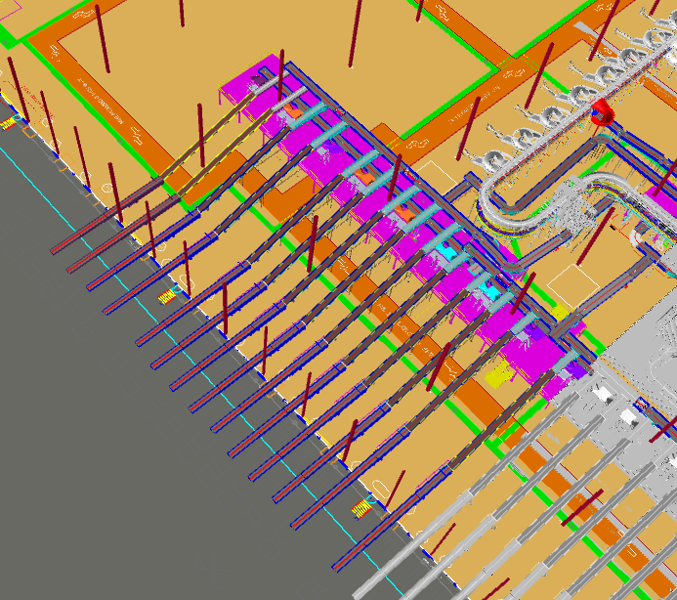 | 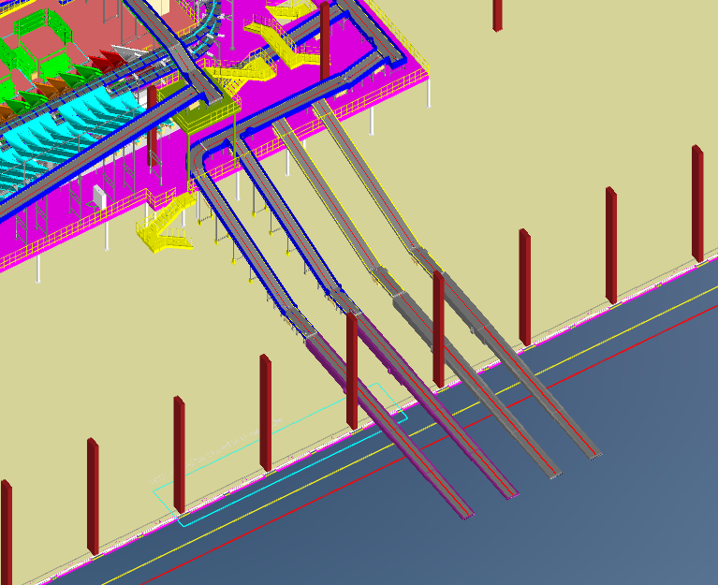
5 | Highway | 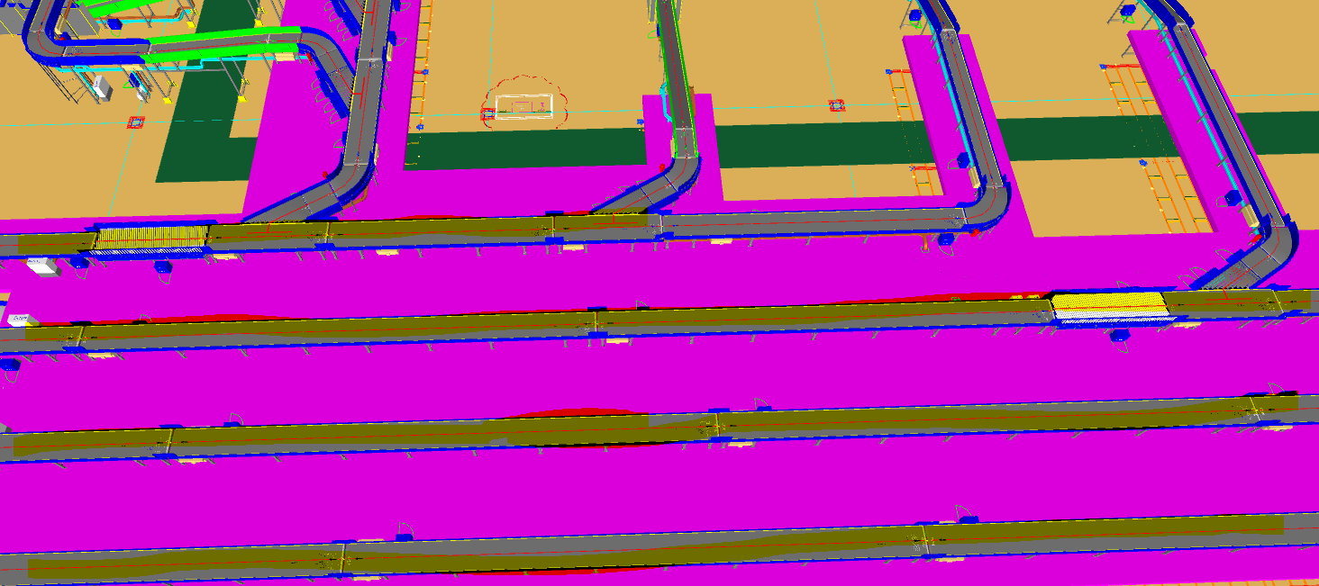 | 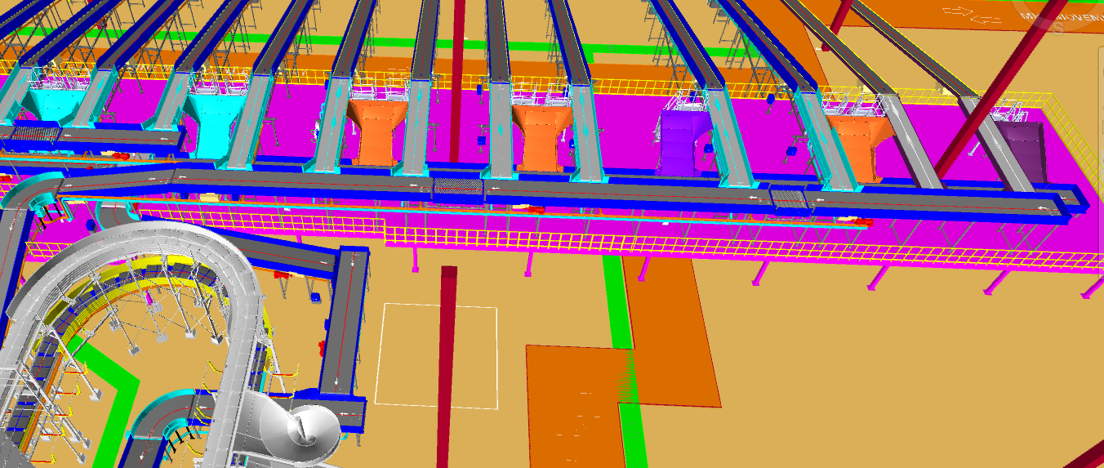
6 | VDS Loop | 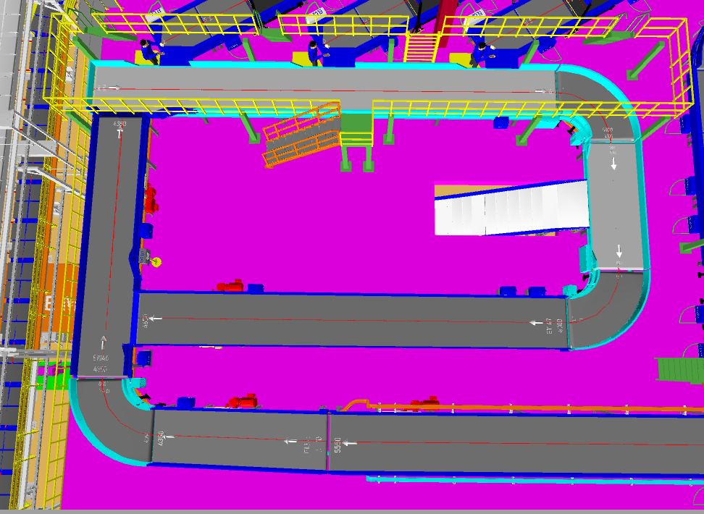 | 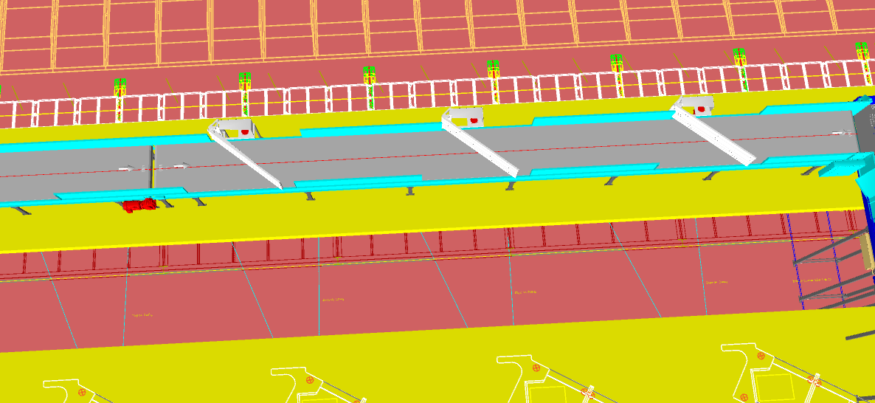
7 | Outbound Zone | 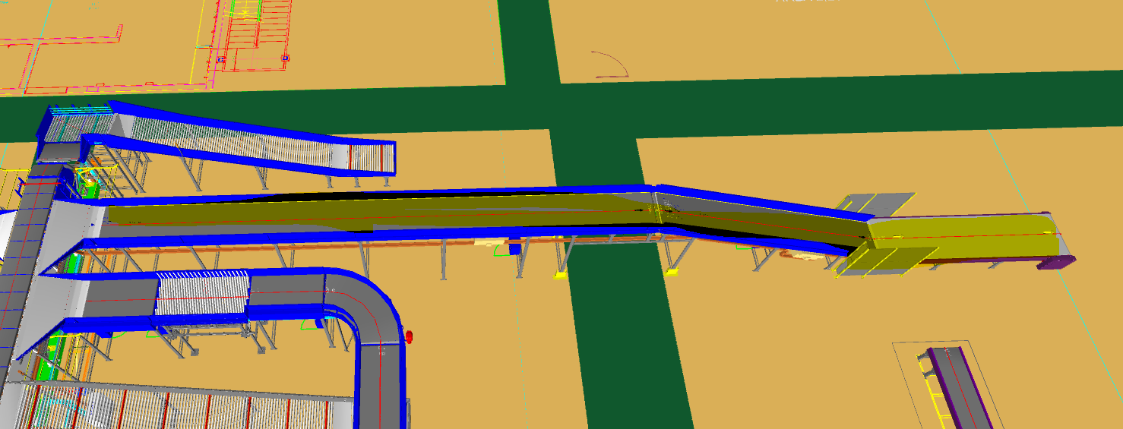 | 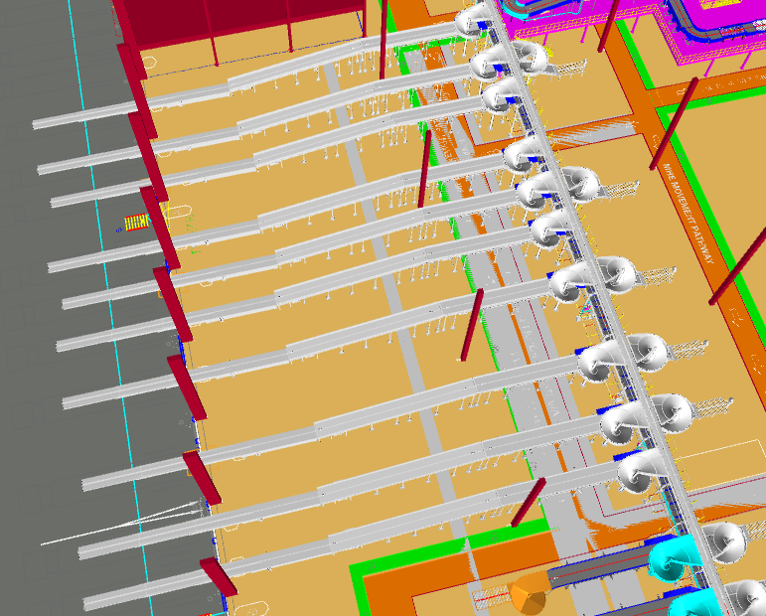
8 | Maintenance Zone/Sorter Access | 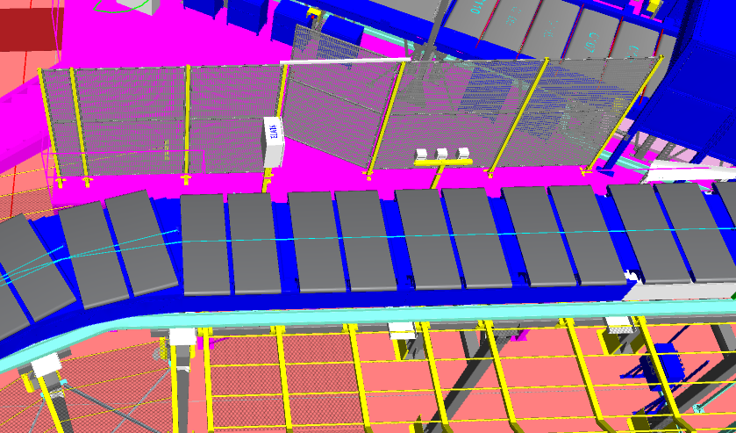 | 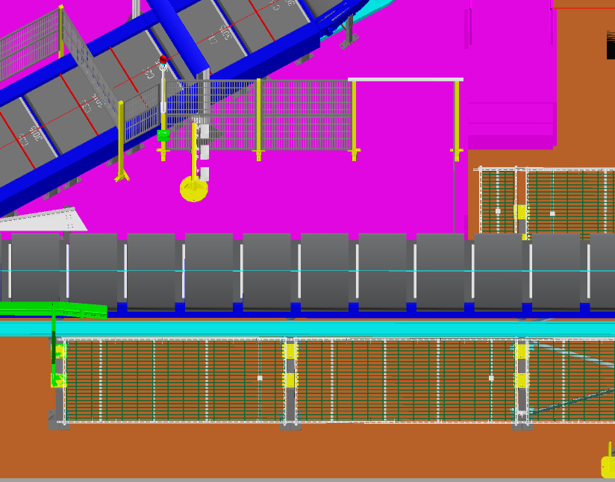 | 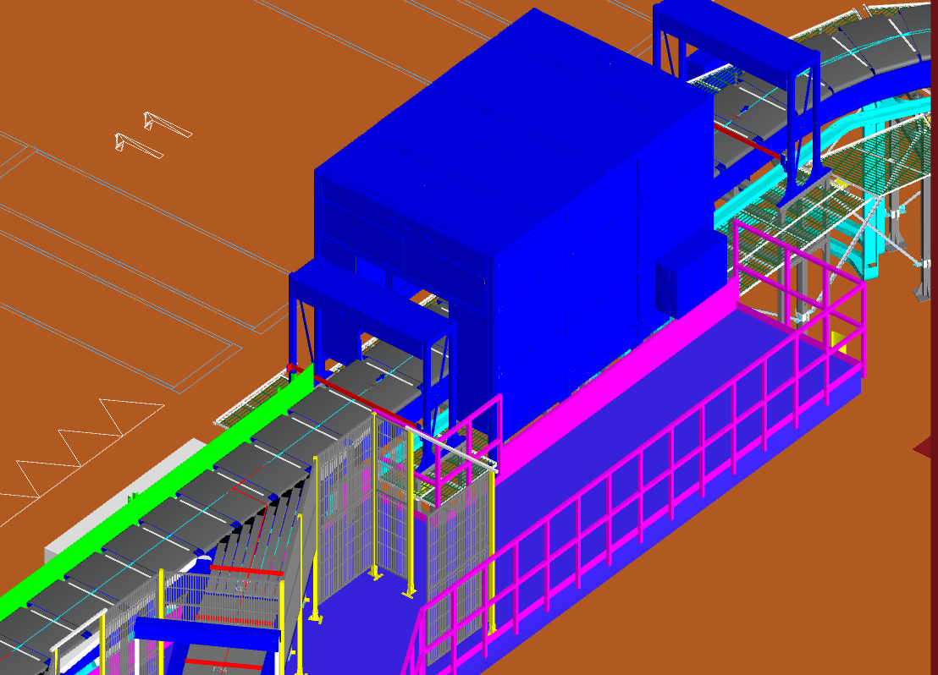
9 | Pull Cord

Conveyor Costing
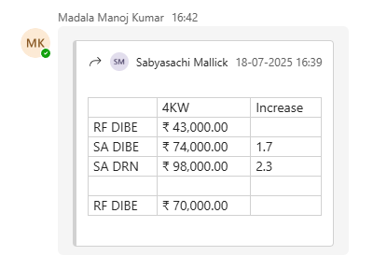
PVC Conveyor
 |  | Head Module (HM) | Tail Module (TM) | Drive Module (DM) | Base Module (BM) HM+TM+DM | Cost/ mtr
600 width | 610 | ₹ 27,306 | ₹ 28,801 | ₹ 45,771 | ₹ 101,878 | ₹ 14,366 |  |  | BOTTOM COVER MODULE |  | ₹ 1,746.56
800 width | 810 | ₹ 29,308 | ₹ 31,068 | ₹ 46,629 | ₹ 107,005 | ₹ 16,165 |  |  | COMPONENT GUIDE MODULE |  | ₹ 6,144.01
1000 width | 1010 | ₹ 33,231 | ₹ 35,451 | ₹ 50,560 | ₹ 119,242 | ₹ 17,854 |  |  | CONVEYOR BELT |  | ₹ 3,381.96
1200 width | 1210 | ₹ 34,341 | ₹ 37,664 | ₹ 55,172 | ₹ 127,177 | ₹ 18,467
1400 width | 1410 | ₹ 40,369 | ₹ 43,158 | ₹ 63,812 | ₹ 147,339 | ₹ 22,036

Bagging Conveyor
 |  | Head Module (HM) | Tail Module (TM) | Drive Module (DM) | Base Module (BM) HM+TM+DM | Cost/ mtr | SR NO | POWER | ITEM ID | Motor MODEL NO | PO NO | Motor PRICE/UNIT | VFD | Panel DM | Total Cost | International Project (RF Series)
600 width | 610 |  |  | NA |  | ₹ 14,366 | 1 | 1.5 | 66021 |  |  | ₹ 20,823 | ₹ 13,755 | ₹ 14,200 | ₹ 48,778 | SR NO | POWER | ITEM ID | Motor MODEL NO | PO NO | Motor price/unit (INR) | Average Cost | VFD | Panel DM | Total Cost
800 width | 810 |  |  | Na |  | ₹ 16,165 | 2 | 2.2 | 26704 | RF67 DIBE100S4 | PO-2022-23-0714 | ₹ 26,117 | ₹ 15,000 | ₹ 14,200 | ₹ 55,317 | 1 | 1.5 | 115350 | R27DRN90L4 | PO-2024-25-0234 | 30,418 | 30,418 | ₹ 13,755 | ₹ 14,200 | ₹ 58,373
1000 width | 1010 | ₹50,692 | ₹31,799 | NA | ₹82,491 | ₹ 17,854 | 3 | 3 | 85889 | RF67 DIBE100M4 | PO-2022-23-0714 | ₹ 35,896 | ₹ 17,000 | ₹ 14,600 | ₹ 67,496 | 2 | 2.2 | 120748 | R37DRN100LS4 | PO-2024-25-4766-V-1 | 36,651 | 36,040 | ₹ 15,000 | ₹ 14,200 | ₹ 65,240
1200 width | 1210 | ₹54,466 | ₹34,389 | NA | ₹88,855 | ₹ 18,467 | 4 | 4 | 20348 | RF77 DIBE112M4 | PO-2021-22-2713 | ₹ 38,065 | ₹ 20,370 | ₹ 14,600 | ₹ 73,035 |  |  | 118195 | R27DRN100LM4 | PO-2024-25-2262 | 36,587
1400 width | 1410 |  |  | NA |  | ₹ 22,036 | 5 | 5.5 | 86632 | RF87 DIBE132S4/RS | PO-2022-23-0714 | ₹ 67,743 | ₹ 33,390 | ₹ 19,300 | ₹ 120,433 |  |  | 113248 | R27DRN100LS4 | PO-2023-24-7004 | 34,882
 |  |  |  |  |  |  | 6 | 7.5 | 91949 | RF87 DIBE132M4/RS | PO-2022-23-1240 | ₹ 69,107 | ₹ 48,000 | ₹ 24,300 | ₹ 141,407 | 3 | 3 | 118194 | R37DRN100L4 | PO-2024-25-2262 | 39,592 | ₹ 39,592 | ₹ 17,000 | ₹ 14,600 | ₹ 71,192
 |  |  |  |  |  |  |  |  |  |  |  |  |  |  |  | 4 | 4 | 121011 | RF77 DRN112M4/BE5/HR | PO-2024-25-4927 | 86,107 | ₹ 86,107 | ₹ 20,370 | ₹ 14,600 | ₹ 121,077
 |  |  |  |  |  |  |  |  |  |  |  |  |  |  |  | 5 | 5.5 |  |  |  |  |  | ₹ 33,390 | ₹ 19,300
 |  |  |  |  |  |  | SR NO | POWER | ITEM ID | MODEL NO | PO NO | PRICE/UNIT |  |  |  | 6 | 7.5 |  |  |  |  |  | ₹ 48,000 | ₹ 24,300
 |  |  |  |  |  |  | 1 | 1.5 |  |  |  | ₹ 33,696 | ₹ 13,755 | ₹ 14,200 | ₹ 61,651
 |  |  |  |  |  |  | 2 | 2.2 | 62293 | SA57/T DIBE100S4 | PO-2022-23-1240 | ₹ 36,167 | ₹ 15,000 | ₹ 14,200 | ₹ 65,367
 |  |  |  |  |  |  | 3 | 3 | 64204 | SA67/T DIBE100M4 | PO-2022-23-0714 | ₹ 45,454 | ₹ 17,000 | ₹ 14,600 | ₹ 77,054 | International Project (SA series)
 |  |  |  |  |  |  | 4 | 4 | 63408 | SA67/T DIBE112M4 | PO-2022-23-1240 | ₹ 48,390 | ₹ 20,370 | ₹ 14,600 | ₹ 83,360 | SR NO | POWER | ITEM ID | MODEL NO | PO NO | Motor price/unit (INR) | Average Cost | VFD | Panel DM | Total Cost
 |  |  |  |  |  |  | 5 | 5.5 | 32288 | SA77/T DIBS132S4 | NA | ₹ 82,743 | ₹ 33,390 | ₹ 19,300 | ₹ 135,433 | 1 | 1.5 | 102768 | SA67/T DRN90L4 | PO-2023-24-1382 | 61,190 | ₹ 56,975 | ₹ 13,755 | ₹ 14,200 | ₹ 84,930
 |  |  |  |  |  |  | 6 | 7.5 | 101915 |  |  | ₹ 84,107 | ₹ 48,000 | ₹ 24,300 | ₹ 156,407 |  |  | 110017 | SA47/T DRN90L4 | PO-2023-24-3602 | 52,759
 |  |  |  |  |  |  |  |  |  |  |  |  |  |  |  | 2 | 2.2 | 102756 | SA67/T DRN100LS4/BE5/HR | PO-2023-24-1382 | 83,494 | ₹ 67,886 | ₹ 15,000 | ₹ 14,200 | ₹ 97,086
 |  |  |  |  |  |  |  |  |  |  |  |  |  |  |  |  |  | 116985 | SA57/T DRN100LS4/BE5/HR | PO-2024-25-1072 | 72,798
 |  |  |  |  |  |  |  |  |  |  |  |  |  |  |  |  |  | 118166 | SA67/T DRN100LM4 | PO-2024-25-2262 | 68,375
 |  |  |  |  |  |  |  |  |  |  |  |  |  |  |  |  |  | 115236 | SA67/T DRN100LS4 | PO-2024-25-0185 | 66,871
 |  |  |  |  |  |  |  |  |  |  |  |  |  |  |  |  |  | 120301 | SA57/T DRN100LM4 | PO-2024-25-3843 | 60,058
 |  |  |  |  |  |  |  |  |  |  |  |  |  |  |  |  |  | 115365 | SA57/T DRN100LS4 | PO-2024-25-0234 | 55,718
 |  |  |  |  |  |  |  |  |  |  |  |  |  |  |  | 3 | 3 | 102759 | SA67/T DRN100L4/BE5/HR | PO-2023-24-1382 | 87,311 | ₹ 72,764 | ₹ 17,000 | ₹ 14,600 | ₹ 104,364
 |  |  |  |  |  |  |  |  |  |  |  |  |  |  |  |  |  | 102758 | SA67/T DRN100L4 | PO-2023-24-1382 | 71,055
 |  |  |  |  |  |  |  |  |  |  |  |  |  |  |  |  |  | 75130 | SA57/T DRN100L4 | PO-2024-25-1572 | 59,927
 |  |  |  |  |  |  |  |  |  |  |  |  |  |  |  | 4 | 4 | 115235 | SA77/T DRN112M4/BE5/HR | PO-2024-25-0319 | 115,987 | ₹ 108,682 | ₹ 20,370 | ₹ 14,600 | ₹ 143,652
 |  |  |  |  |  |  |  |  |  |  |  |  |  |  |  |  |  | 115234 | SA77/T DRN112M4 | PO-2024-25-0185 | 101,376
 |  |  |  |  |  |  |  |  |  |  |  |  |  |  |  | 5 | 5.5 | 115237 | SA77/T DRN132S4 | PO-2024-25-0020 | 116,600 | ₹ 116,600 | ₹ 33,390 | ₹ 19,300 | ₹ 169,290
 |  |  |  |  |  |  |  |  |  |  |  |  |  |  |  | 6 | 7.5 |  |  |  | 177100 | ₹ 177,100 | ₹ 48,000 | ₹ 24,300 | ₹ 249,400

